Dashboard
INSTITUTE MANAGEMENT SYSTEM

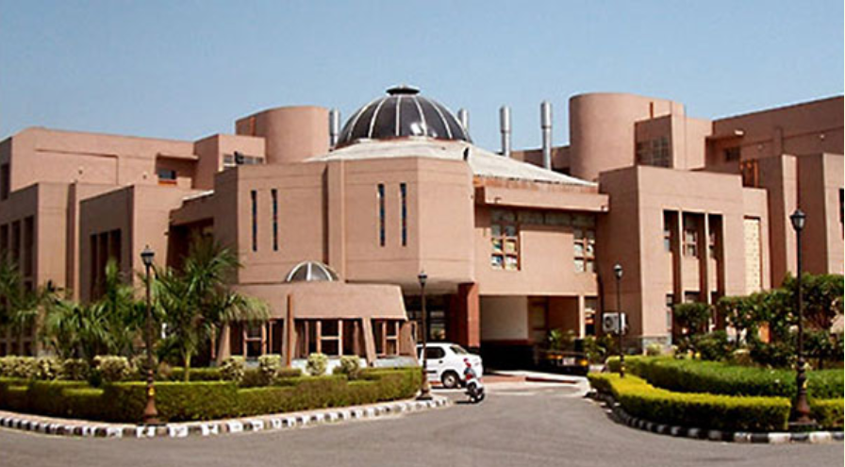
ENQUIRY
STUDENT FEE RECORD
ENQUIRY
COURSES
ADMISSION FORM
STUDENT RECORD
STUDENT FEE RECEIPT

COURSES

ADMISSION FORM

STUDENT RECORD

STUDENT FEE RECEIPT

Enquiry
DATE | STUDENT ID | STUDENT NAME | COURSE | RECEIPT ID | FEE
5/7/21

HOME

Courses
S.No. | COURSE NAME | COURSE FEE | DURATION | DISCOUNT
1 | Java | ₹ 2,000.00 | 2 Months | 0
2 | Cloud Computing | ₹ 7,000.00 | 2 Months | 5.6
3 | Data Structures | ₹ 5,000.00 | 3 Months | 2
4 | Analytics | ₹ 5,000.00 | 3 Months | 3.7
5 | Finance | ₹ 6,000.00 | 2 Months | 2.4

HOME

Admission Form
ADMISSION FORM

Student ID: | Admission Date:

Student Name:

Father's Name:

DOB: | Mobile No. :

Address:

Course Name: | Duration:

Course Fee: | Discount:

SAVE
Total Fee:
HOME

Student Record
Student ID | Admission Date | Student Name | Course | Duration | Course Fee | Discount | Total Fee

HOME

Student Fee Receipt
FEE RECEIPT

Student ID: |  | Receipt No. :

Student Name:

Course Name: | Java | Date: | 2021-05-07 19:10:51

Month:
Stamp |  |  | Amount
 |  |  | ₹2,000.00

HOME
Gross Amount: |  |  | ₹2,000.00
Discount: |  |  | 0
Net Amount: |  |  | 2000

SAVE
Payment Type: | Cash | Signature:

Student Fee Record
Student ID | Receipt No. | Date | Student Name | Course Name | Month | Payment Method | Fee

HOME

